Information - READ ME
Data set summary
This dataset was curated as part of the Pest Risk Information Service and comprises of three independent field trials conducted in Mwea, Kenya during the 2021 Short Rains season investigating the population dynamics of Spodoptera frugiperda on Maize. The data is comprised of multiple sections, detailed below

Section 1 - Crop Information
Crop characteristics (only in first visit): |  |  |  |  | Crop phenology (each visit, recorded in paper form):
o Plot ID (e.g. FUMESUA-1)* |  |  |  |  | o Sampling date, time start, time end*
o Date of planting current plot *. |  |  |  |  | o Plot ID (e.g. FUMESUA-1)*
o Plot size (ha)* |  |  |  |  | o Current phenological stage of the crop (Table 1)*
o GPS coordinates (tablet)* |  |  |  |  | o Picture of the crop*
o Irrigation / rainfed* |  |  |  |  | o Maximum number of leaves*
o Crop variety * |  |  |  |  | o Maximum height (cm)*
o Previous crop planted in the current plot* |  |  |  |  | o Cultural practices against pest: indicate practice, pest and date (e.g. trap plants, weeding, natural enemies enhancement, biocontrol, matting…)
o Incidence of the pests in previous seasons |  |  |  |  | o Pesticide spray: indicate chemical, pest and date (open text)

 | Phenological Stages of Maize used in this data collection
 |  |  | 0 | Emergence
 |  |  | 0.5 | 2-4 leaves fully emerged
 |  |  | 1 | 5-7 leaves fully emerged.
 |  |  | 2 | 8-11 leaves fully emerged
 |  |  | 3 | 12-15 leaves
 |  |  | 4 | 16-19 leaves
 |  |  | 5 | >20 leaves. (this stage might not occur for all varieties)
 |  |  | 6 | Tasselling/silking fully formed.
 |  |  | 7 | Maturity (drying)
 |  |  | 8 | Harvest

Section 2 - Adult Traping Data
Background | FAW is a pest quickly spreading across Africa. In its native region FAW can have both resident and migration behaviour and the former has been already shown in Africa. FAW feeds mainly on maize or rice but can also attack >80 other crops.

Methodogoly
ADULT emergence and activity |  |  | (recorded on paper scoring sheets and then typed into Excel) - pheromone traps will give information about flight peaks (adult emergence) and main egg laying events.
Trap number and layout and density: |  |  | 2 traps per species (A close to plot edge and B towards interior of plot) placed on a linear transect following the upwind edge of the maize plot. Traps should be placed 2 m above ground. Separation between traps of same species >10 m. Separation between traps of different species >10m to avoid disruption. For maize pests we will use funnel traps with different lures for each species. Identify each trap with a permanent marker using: Area – Pole ID A or B - Species (e.g. EJU-A-FAW)

Pheromone lure: |  |  | The lures should be placed inside the lure container (access from above the trap) with minimum direct contact to hands. Lures need to be changed every three weeks. Old lures can be disposed inside trap but removed in the next replacement. Thus, there will be always one new lure in the container and one old lure inside the bucket.
 |  |  | All lures should be stored in sealed containers in the fridge at the research station (below 10oC). Only one pheromone component should be stored per container (identify the container for each species). Opened storage containers should be resealed after use. Pheromones can be stored for a maximum of two years if refrigerated properly. During transportation to the field, the pheromones lures should be kept cool and out of direct sunlight (avoid hot places such as closed cars or containers under direct sunlight). Disposable gloves should be worn at all times when handling pheromones, and a use different of gloves between types of pheromone. This avoids cross-contamination of the volatile compounds. Gloves, sachets or lures should not be disposed of in the vicinity of traps. Smoking can interfere with pheromones so please use gloves and don’t smoke during or before the handling.
 |  |  | Insecticide strips. Required to preserve moths inside trap. After removing from the outer carton, remove from foil sachet immediately prior to loading the trap. Avoid contact with skin. Use tweezers for handling the dispenser. Strips should be changed after 6 weeks. After removal do not dispose close to the plots.
Scoring: |  |  | Trap should be checked during each visit (initially three times a week until two weeks after crop emergence thereafter twice a week).
 |  |  | o Examine container for evidence of stalk borers / FAW (always moth >1cm)
 |  |  | o Open container and pour out the moths in a laminated white paper.
 |  |  | o Take a picture of the moths. Picture should be taken parallel to the paper and covering the full side of it
 |  |  | o Count only number of moths of the species of the trap.
 |  |  | o In case specimens of other moth species are identifiable record the number as “other”.

Section 3 - Damage/Severity Scoring

Methodology
LARVAE - symptoms/incidence (recorded in paper form and then typed into Excel): Move through the field in the area of the traps following a zig-zag pattern walking at least 5 m between checkpoints (A, B, C, D) (see Figure 3). In each visit start the transect from a different corner of the plot to cover the plots more evenly during the crop season. Zig zag angle random. In each scouting stop (A, B, C and D) examine the 10 plants closest to you and record number of plants (out of 10) with each symptom shown in Table 2. For egg clusters and freshly hatched caterpillars of FAW, check specifically the underside of leaves. This sampling will look at a total of 40 plants per visit giving quick information about symptoms of pests in maize. Take an example picture of the symptoms identified in each visit (up to 8). Name the picture with date and farm ID.

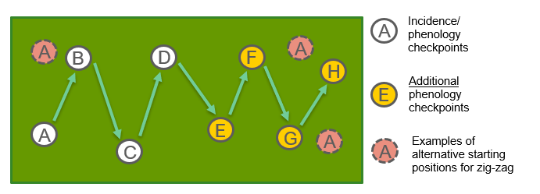
 |  | Symptom
 | 0 | Fresh scratching on leaves
 | 1 | Fresh feeding marks on funnel leaves (small holes or 'windows' in straight lines across the newest leaves)
 | 2 | Moist sawdust-like frass near the funnel and upper leaves.
 | 3 | Plants can be cut through at the base by large larvae acting as cutworms.
 | 4 | Presence of dead hearts.
 | 5 | Fresh holes in tunnelled stems for late larvae stages.
 | 6 | Fresh bores through the kernels and cobs
 | 7 | Large feeding on leaves

Section 4 - Immature Stages

INMATURE STAGES- phenology: This survey requires random sampling of the maize plants throughout the plot, following a series of three zig-zag surveys consisting of 30 checkpoints. It will collect data, from a total of 30 plants, on the number of immature stages of FAW per plant, which will be recorded according to size category.

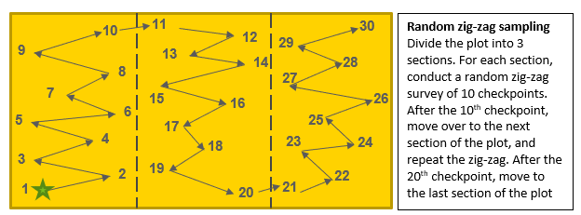

1. On every sampling day, begin from a different corner of the plot (to ensure the plot is covered evenly during the season).
2. Walk into the plot, passing the first two maize plants, before selecting Checkpoint 1.
3. At this checkpoint, randomly select any ONE plant.
4. NB Try to be completely unbiased; selection should be totally random, not based on the presence/absence of symptoms. This can be achieved by selecting the plant closest to your right hand once you reach your checkpoint, for example.
5. Check the plant for eggs clusters (see ID guide) and record the number found (or ZERO if none).
6. Dissect the plant and score the number of larvae:
 | a) Cut open the plant to check for larvae in the whorl, inside stem and inside the cob.
 | b) For each size category (<1 cm; 1-2 cm; 2-3 cm and >3 cm), count the number of FAW larvae present per plant.
 | c) Check the ID guide for reference.
 | d) If identifiable as a moth larva that is NOT FAW, please record the number of these as “Other”. Only specify species if it is known.
 | e) For unidentifiable small larvae, rear them individually in petri dishes with a maize leaf until they can be identified (then email CABI to update results).
7. If NO LARVAE are found, it is important to score a ZERO on the recording sheet.
8. Move onto the next checkpoint by walking at least 5 metres at a random angle through the plot (see diagram above for a description and example of the zig-zag transect).
9. Repeat the plant selection and dissection and scoring.
10. Move onto the next checkpoint until you have sampled at 30 checkpoints which cover the whole plot.
11. If, at the end of the survey, there are FEWER THAN FIVE PLANTS WITH IMMATURE STAGES recorded, repeat the survey (steps 1-9) with only 12 checkpoints, but still covering the extent of the plot.

